Sheet1
Company Full Name | Project level Escalation |  |  |  | Corporate Address with PIN CODE | MD/ CEO/ Partner/Proprietor |  |  |  | Established Year | Revenue FYI 16~17 (in Crore) | HQ Location | No. of Employees in the company | Customer reference | Direct / 3rd Party | E2E | Circlewise No. of Team to be Provided |  |  |  |  |  | FY15-16 |  | FY16-17 |  | Type
 | Name | Contact No | Email ID | Designation |  | Name | Contact No | Email Id | Designation |  |  |  |  |  |  | Capablity (Yes / No) | Circle name | Installation |  | I&C | Optimisation | RF SURVEY | Revenue (in lacs) | Net Profit (in lacs) | Revenue (in lacs) | Net Profit (in lacs) | Public/ Pvt. Ltd
 |  |  |  |  |  |  |  |  |  |  |  |  |  |  |  |  |  | eNB | MW
TeleKinetics Network Systems Pvt. Ltd. | Ambuj Singh | 9953791144 | ambuj.singh@tele-kinetics.com | Head - Business Delivery Ops | S-704, Regency Garden, Sec-6, Kharghar, Navi Mumbai - 410 210. | Neera Mishra | 9967548543 | neera.mishra@tele-kinetics.com | Director - Partner | 2012 | 12,600,000 | Navi Mumbai | 19 (Direct) |  |  | Yes | Jharkhand |  |  | 2 |  |  | 8,600,000 | 750,000 | 12,600,000 | 1,500,000 | Pvt. Ltd.
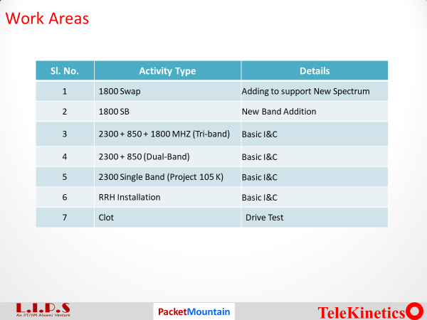
 |  |  |  |  |  |  |  |  |  |  |  |  |  |  |  |  | Bihar |  |  | 1
 |  |  |  |  |  |  |  |  |  |  |  |  |  |  |  |  | M.P |  |  | 1
 |  |  |  |  |  |  |  |  |  |  |  |  |  |  |  |  | Orissa |  |  | 1
 |  |  |  |  |  |  |  |  |  |  |  |  |  |  |  |  | Sikkim |  |  | 1
 |  |  |  |  |  |  |  |  |  |  |  |  |  |  |  |  | UPE / UPW |  |  | 2
 |  |  |  |  |  |  |  |  |  |  |  |  |  |  |  |  | Delhi |  |  | 2
 |  |  |  |  |  |  |  |  |  |  |  |  |  |  |  |  | Karnataka |  |  | 1

